Chart Type Icons
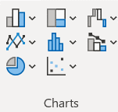
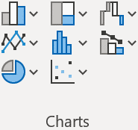
Column | Treemap | Waterfall
Bar | Sunburst | Funnel
 |  | Stock
 |  | Surface
 |  | Radar
Line | Histogram | Combo
Area | Box and Whisker
 | Pareto

Pie | X Y (Scatter)
Doughnut | Bubble

 |  |  |  | Jan | Feb | Mar | Apr | May | Jun
Red - Charts not shown in the All Charts list |  |  | Domestic | 80 | 135 | 125 | 130 | 140 | 180
Blue background - newer chart types |  |  | Europe | 60 | 80 | 80 | 100 | 90 | 100
 |  |  | Asia | 110 | 120 | 110 | 120 | 120 | 130
 |  |  | Latin America | 40 | 60 | 70 | 60 | 60 | 80

